EVD_OPL10-02 (NT)
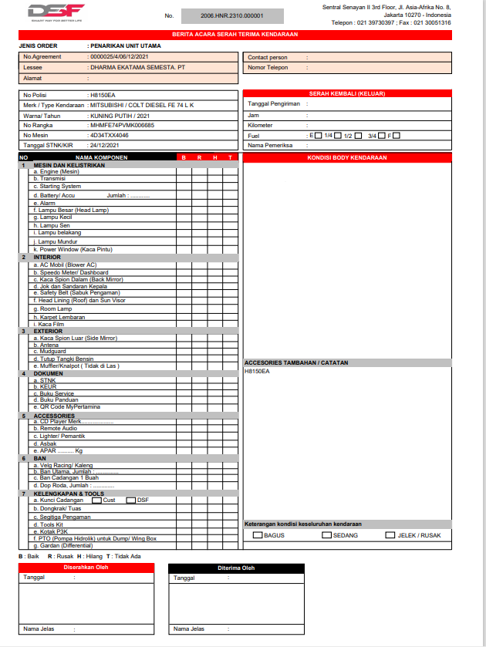
Test Case ID | 02
Test Case Summary | Lakukan Maturity - Type - STOP - Stop Manual - Sampai proses handover oleh team asset

Step # | Test Evidence | Re-Test Evidence (if found Bug/Issue)
1
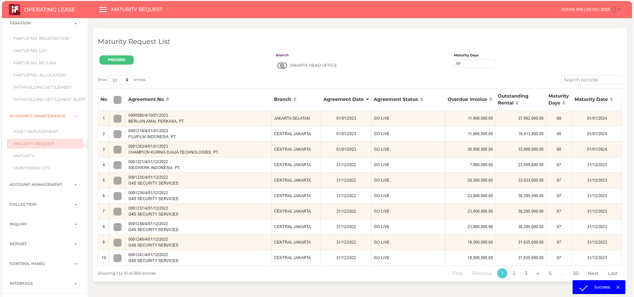

2
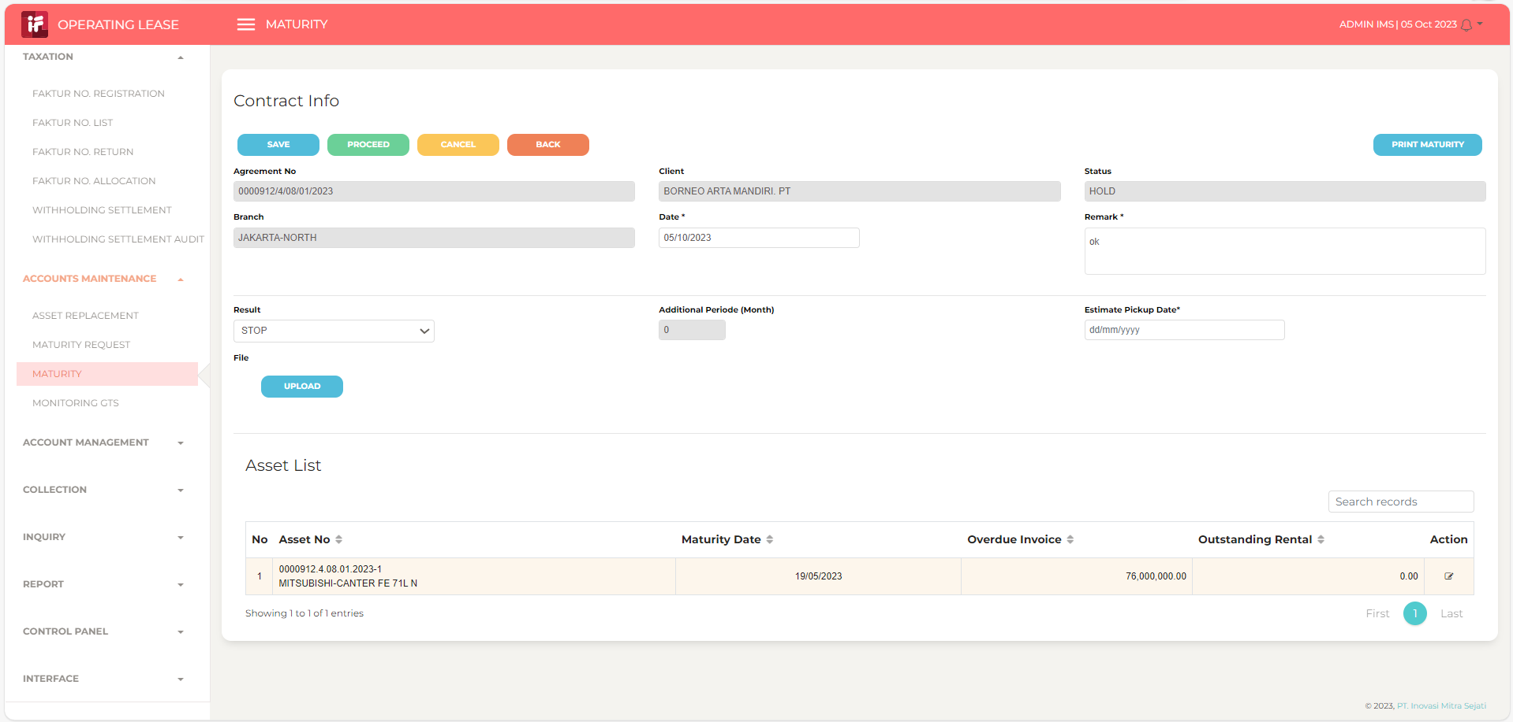

3

4

5
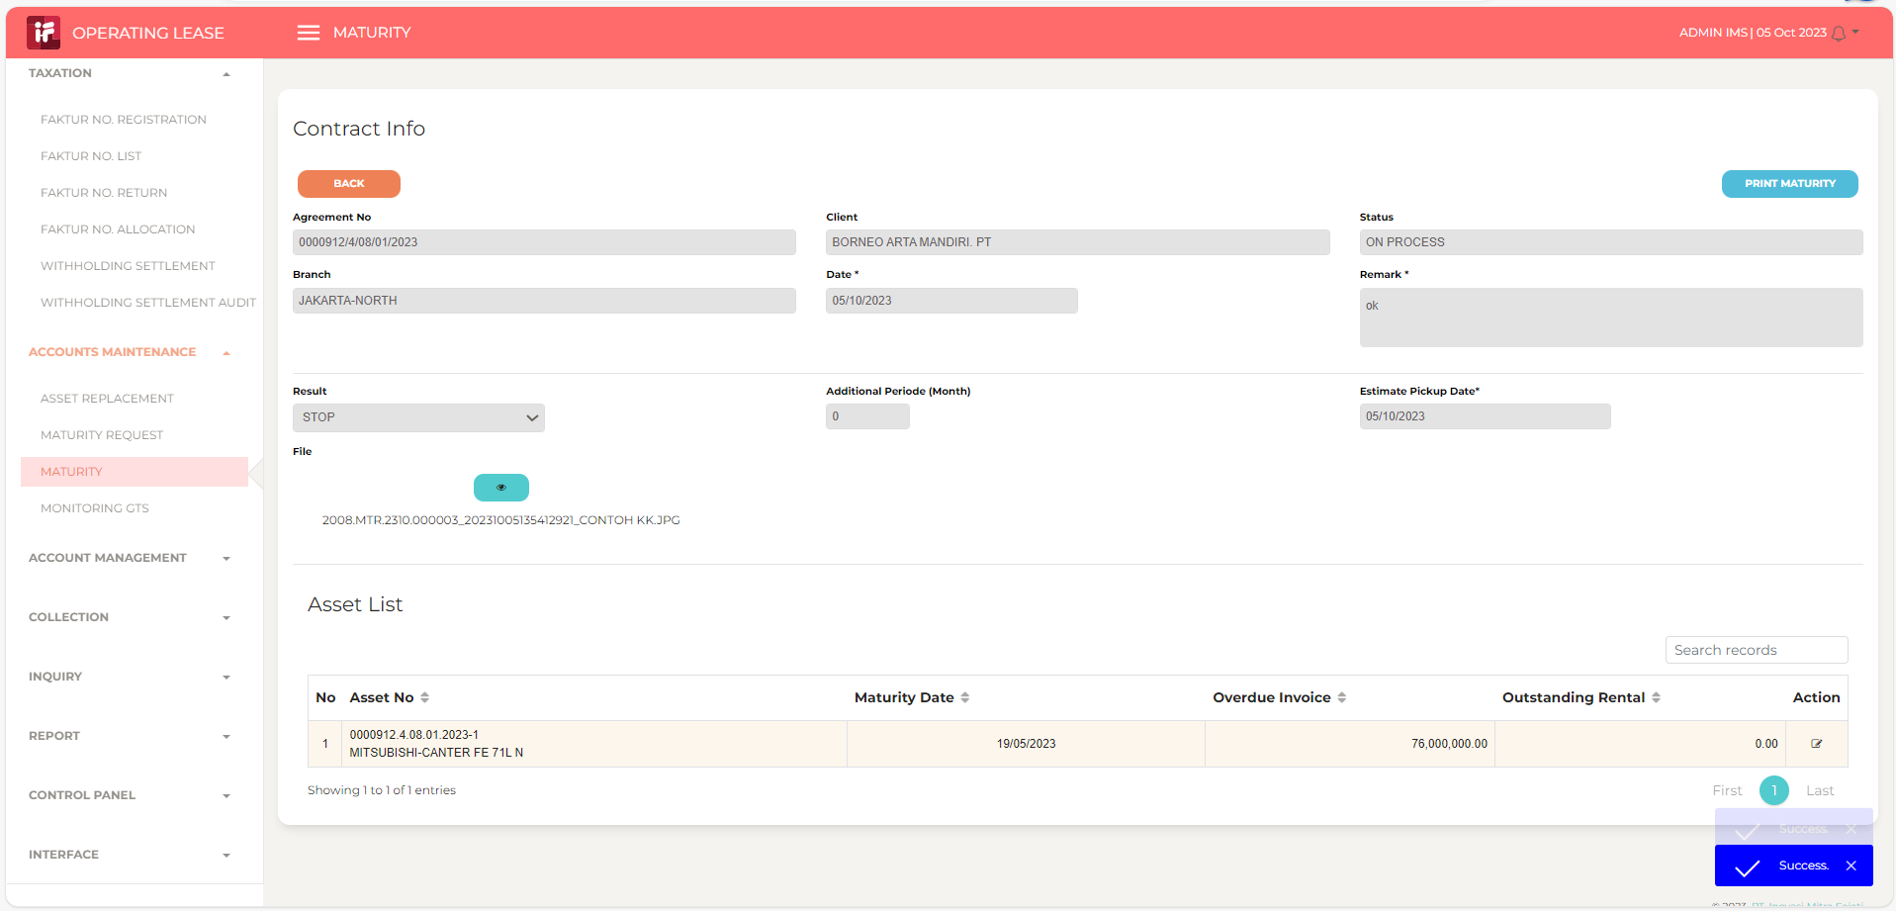

6
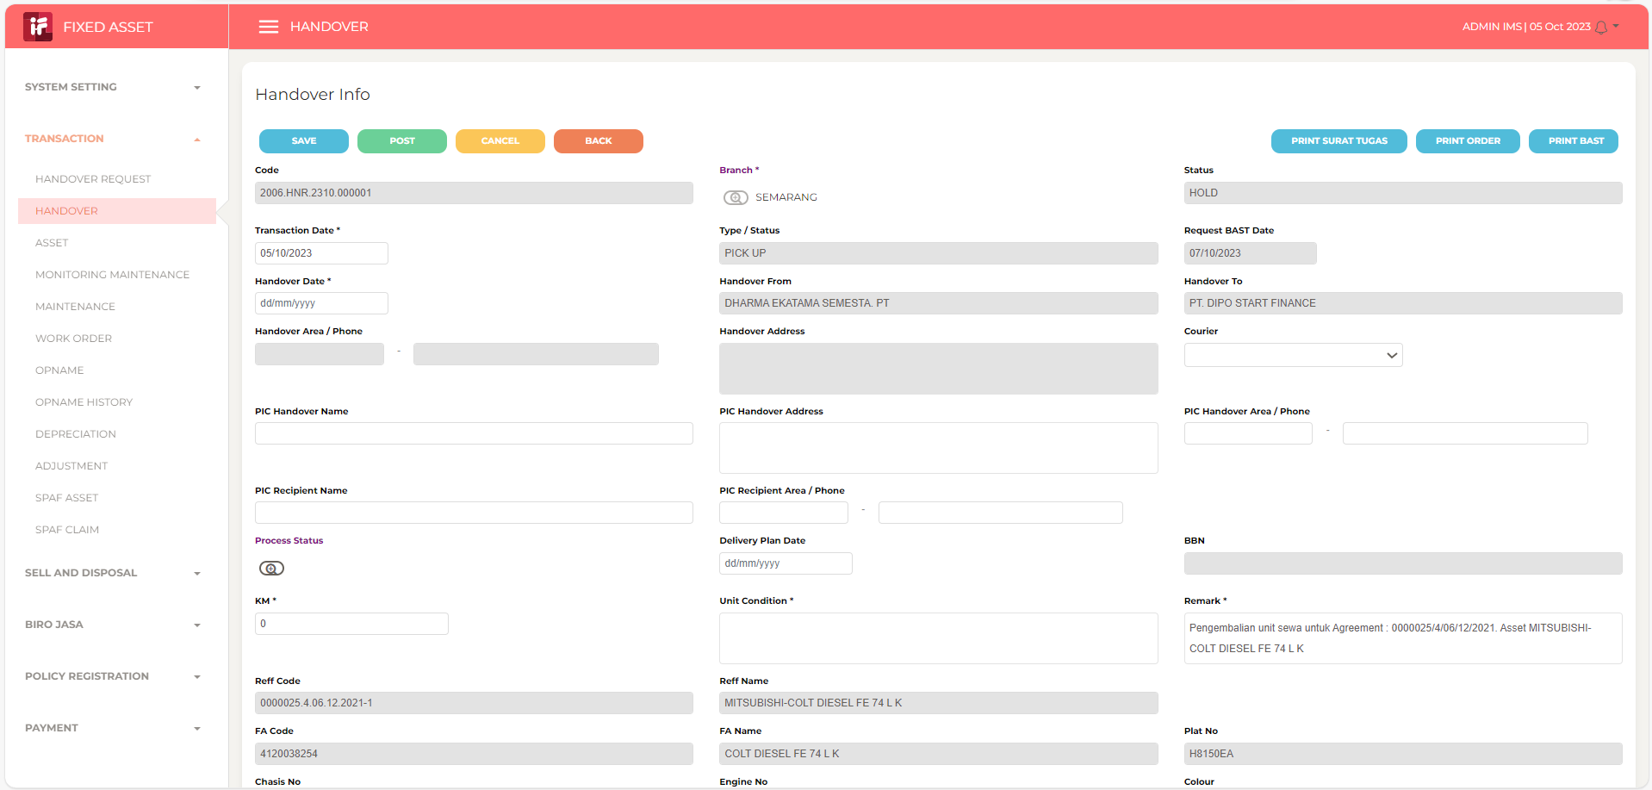

7

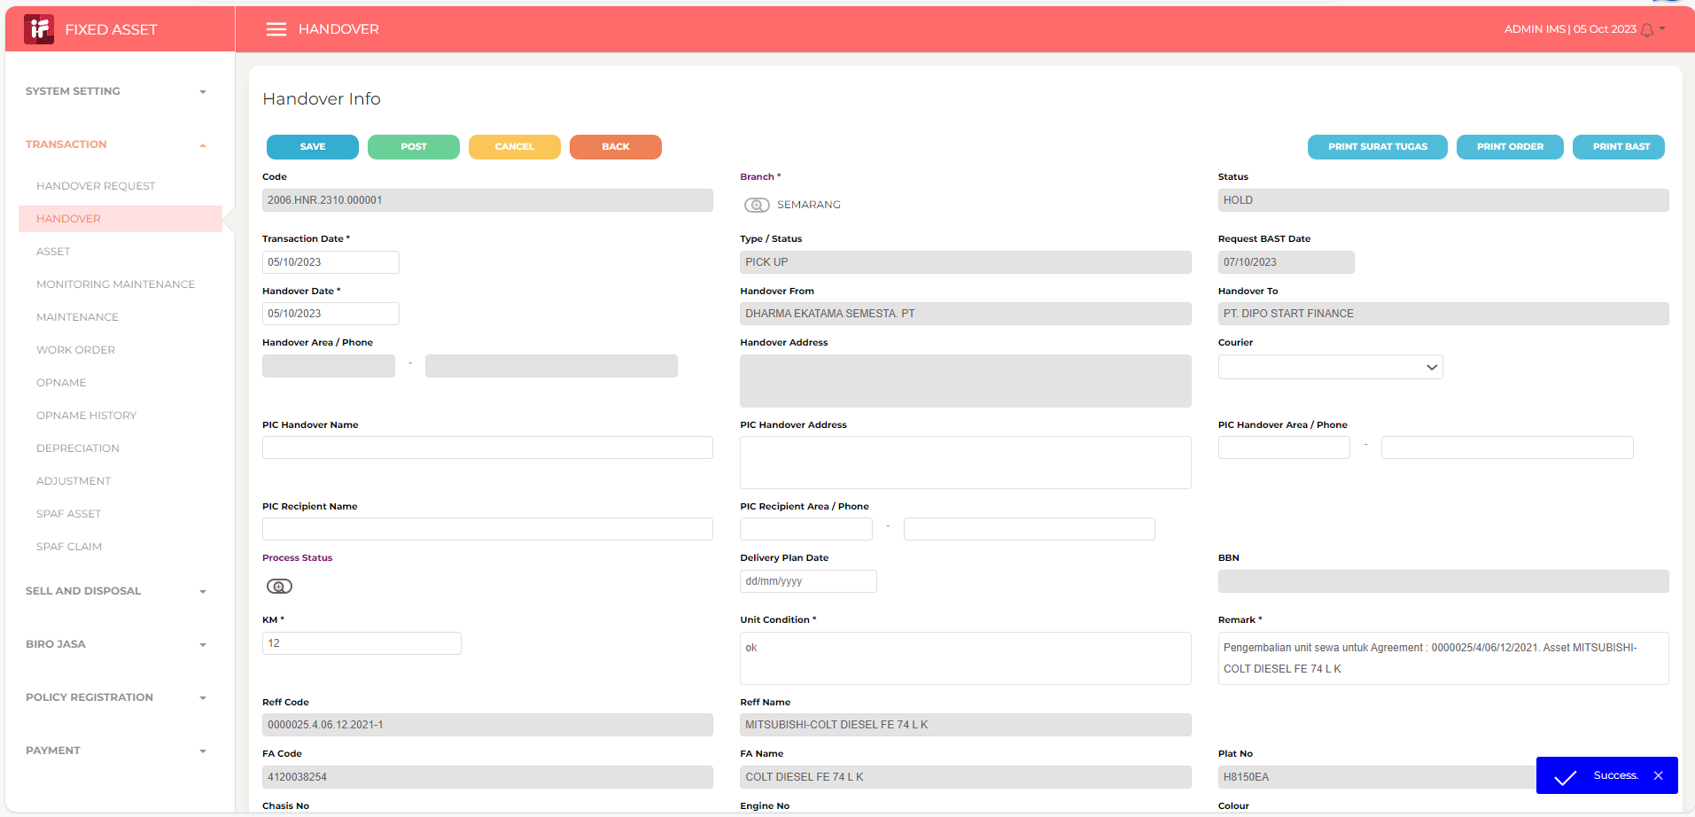

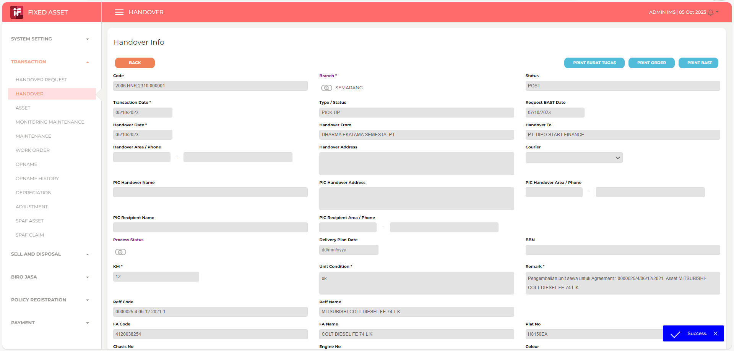
8

